Step iv
 | Step iv - Scenario groups formed based on similarity of scenarios
 | Scenario Group # | Scenarios Group | Scenario Name | Identifier | Remarks | Example Ilustrations
1 | G1 | Turning Scenarios | Maneuvering a bend | C1,1 | This group includes the situations where the ego vehicle turns, such as turning left or right
2 |  |  | Turning left | C1,2
3 |  |  | Turning right | C1,3
4 | G2 | Lane Change | Cut-in in front of the ego vehicle | C1,9 | This group includes the situation where the ego vehicle or other adjacent vehicle is merging or switching lanes in the same direction without maintaining an appropriate distance and speed with adjacent vehicles. Furthermore, including scenarios where the ego vehicle intends to perform lane changes to avoid collisions. For instance, if an obstacle appears in the path of the ego vehicle, it needs to change lanes. | 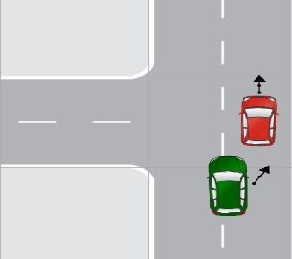
5 |  |  | Ego performing lane change with vehicle behind | C1,10
6 |  |  | Ego merging into an occupied lane | C1,11
7 |  |  | Cut-out in front of the ego vehicle | C1,12
8 |  |  | Vehicle swerving towards ego vehicle | C1,15
9 |  |  | Vehicle backing up into the ego vehicle | C1,16
10 |  |  | Impassable object on intended path | C1,6
11 |  |  | Passable object on intended path | C1,7
12 |  |  | Object road with incoming traffic | C1,21
13 |  |  | Driving straight | C1,4
14 |  |  | Avoidance, Rear | C2,90
15 |  |  | Lane Change, Rear | C2,101
16 |  |  | U-Turn | C2,103
17 | G3 | Following Lead Vehicle | Lead vehicle braking | C1,8 | This group includes the situations where the ego vehicle is driving behind another vehicle referred to as the "lead vehicle." In such scenarios, the risk of a rear-end collision exists, where the ego vehicle collides with the lead vehicle from behind.
18 |  |  | Ego vehicle approaching slower lead vehicle | C1,13
19 |  |  | Ego vehicle approaching stopped lead vehicle | C1,14
20 |  |  | Turning lead vehicle | C1,65
21 |  |  | Tailgate | C2,88
22 |  |  | Distracted, Rear | C2,89
23 |  |  | Inattentive, Rear | C2,92
24 |  |  | Stutter Stop | C2,93
25 | G4 | Traffic Signal Scenarios | Ego vehicle approaching red traffic light | C1,23 | This group includes situations where either the ego vehicle or another vehicle approaches or violates the traffic light signal.
26 |  |  | Ego vehicle approaching green traffic light | C1,24
27 |  |  | Ego vehicle approaching amber traffic light | C1,25
28 |  |  | Vehicle running red traffic light | C1,26
29 |  |  | Ran Red “T-Bone” | C2,77
30 | G5 | Crossing Path | Oncoming vehicle turns right at signalized junction | C1,27 | This group includes the situations where the paths of two or more vehicles intersect or cross each other at an intersection or junction. In this scenario, the ego vehicle must navigate the intersection while avoiding collisions with other vehicles. | 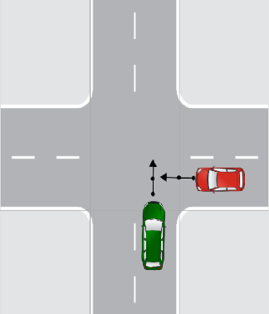
31 |  |  | Ego vehicle turns right with oncoming vehicle at signalized junction | C1,28
32 |  |  | Navigating on an empty roundabout | C1,5
33 |  |  | Entering a roundabout with another vehicle | C1,37
34 |  |  | Sirens | C2,82
35 |  |  | Left Turn Clip | C2,83
36 |  |  | Wrong Driveway | C2,84
37 |  |  | Wave to Go | C2,85
38 |  |  | Turn into Passer | C2,86
39 |  |  | Run Red Into Left Turner | C2,107
40 |  |  | Misjudgment, Left Turn | C2,108
41 |  |  | Passing Clip | C2,97
42 | G6 | Animal Interaction | Animal on the road | C1,38 | This group includes the situation where an ego vehicle encounters animals, such as stray animals, wildlife, or domestic pets, while driving on the road.
43 | G7 | Pedestrian Interaction | Jaywalking | C1,39 | This group includes the situation where an ego vehicle encounters pedestrians while driving.
44 |  |  | Pedestrian crossing at zebra crossing | C1,40
45 |  |  | Zebra crossing | C1,41
46 |  |  | Pedestrian stationary at road side | C1,42
47 |  |  | Pedestrian walking along the road | C1,43
48 |  |  | Pedestrian running a red light | C1,44
49 |  |  | Pedestrian crossing from behind an obstruction | C1,45
50 |  |  | Pedestrian at left turn at signalized junction | C1,47
51 |  |  | Pedestrian in same direction obstructed at ego left turn | C1,48
52 |  |  | Pedestrian at right turn at signalized junction | C1,50
53 |  |  | Struck Human | C2,68
54 | G8 | Cyclist Interaction | Cyclist crossing from left side at signalized junction | C1,53 | This group includes the situation where an ego vehicle encounters a cyclist or any other two-wheeler vehicle while driving. | 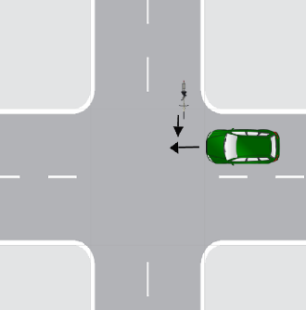
55 |  |  | Cyclist crossing from right side at signalized junction | C1,54
56 |  |  | Ego vehicle approaching cyclist riding in same direction | C1,55
57 |  |  | Ego vehicle driving alongside a cyclist | C1,56
58 |  |  | Cyclist and ego vehicle driving in opposite direction | C1,57
59 |  |  | Cyclist at left turn at signalized junction | C1,59
60 |  |  | Cyclist driving in same direction obstructed at ego left turn | C1,60
61 |  |  | Cyclist at left turn at signalized junction | C1,62
62 |  |  | Entering a roundabout with a cyclist Interaction | C1,63
63 |  |  | Leaving a roundabout with a cyclist | C1,64
64 |  |  | Cyclist turning left and ends up in lane of ego vehicle | C1,66
65 |  |  | Cyclist turning right and ends up in lane of ego vehicle | C1,67
66 | G9 | Parking | Stopping at a bus bay | C1,17 | This group includes the situation where the ego vehicle parked or maneuvered into a parking space. These scenarios include parallel, perpendicular, and other parking maneuvers.
67 |  |  | Leaving a bus bay | C1,18
68 |  |  | Driving along a bus bay | C1,19
69 | G10 | Reversing | Back Into Object | C2,76 | This group includes the situation in which ego vehicle moving in reverse,such as backing out of a parking space or driveway.
70 |  |  | Back into Roadway | C2,87
71 |  |  | Back Track | C2,102
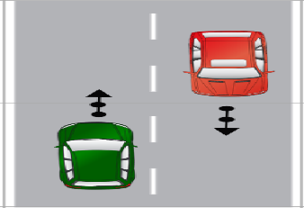
72 | G11 | Opposite Direction | Oncoming vehicle | C1,20 | This group includes the situation where an ego vehicle traveling in the opposite direction to other vehicles on the road
73 |  |  | Oncoming vehicle swerving into ego vehicle’s lane | C1,22
74 | G12 | Control Loss | Slick Road Departure | C2,72 | This group includes the situation where the ego vehicle loses control due to slip- pery or poor road conditions or brake failure caused by infrastructure-related issues. | 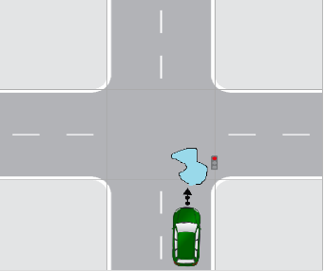
75 |  |  | Rough Road Departure | C2,73
76 |  |  | Slick Road, Ran Stop | C2,78
77 |  |  | Maintenance | C2,95
78 |  |  | Slick Road, Rear | C2,96
79 |  |  | Inexperience, Departure | C2,104
80 |  |  | Impaired, Head-on | C2,105
81 | G13 | Visibility | View Obstruction | C2,80 | This group includes the situation where road visibility is unclear due to weather conditions, fog, obstructions, hurdles, or construction activities. | ___
82 |  |  | Visibility, Rear | c2,99
83 | G14 | Human fault | Aggressive, Departure | C2,71 | This group includes the situation where unsafe conditions are caused primarily due to human errors, mistakes, or negligent behaviors. e.g., aggressive driving or distracted driving, etc. | __
84 |  |  | Inattentive, Ran Stop. | C2,79
85 |  |  | Looked but Didn’t See | C2,81
86 |  |  | Pedal Miss | C2,91
87 |  |  | Aggressive, Rear | C2,94
88 | G15 | Miscellaneous | Avoidance, Departure | C2,74
89 |  |  | Miscellaneous | C2,110 | This group includes scenarios that do not belong to a specific predefined category or lack adequate information about the ego vehicle's or target object's critical actions.
90 |  |  | New | C2,111

